Лист1
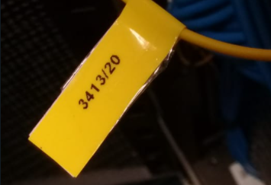
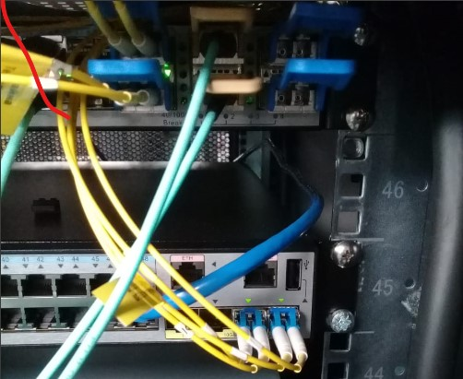
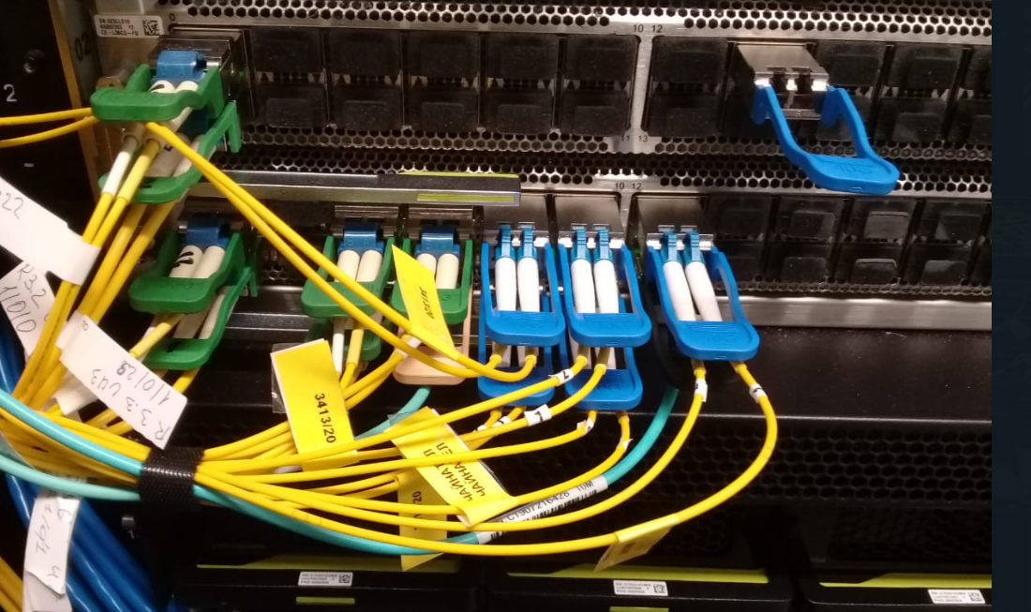
* NOTES : I FOUND THE SAME LABELES CHINA TELECOM 3413/20 IN THE RACKS 9.5, 3.3, 3.2. AND I THINK IT IS EXISTING CONNECTION AMONG CLOSETS
A-SIDE | EQUIPMENT | 40/100GPORT | STATUS | STATUS | 40/100GPORT | EQUIPMENT | B-SIDE
R 9.5 | S/N 2102350RXD10L3000016 U47 Model CE6870-EI-F-BOA R 9.5 | 1 | in use/ link active | in use/ link active | 8 .. 12 | 2102113774P0K6000201 R 3.2, U21-28 Cloud Engine | R 3.2, R 3.3
 |  | 2 | in use/ link active | in use/ link active | 8 .. 12 | 2102113774P0K7000014 R 3.3, U18-28 CloudEngine 12800
 |  | 3 | in use/ link inactive
 |  | 4 | in use/ link inactive
 |  | 5 | free to use
 |  | 6 | free to use

Photos

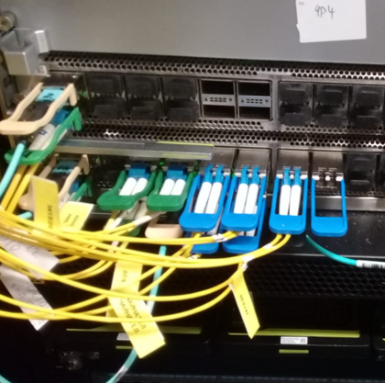
Labels |  | R 9.5 |  |  | R 3.3 |  |  | R 3.2

